Summary
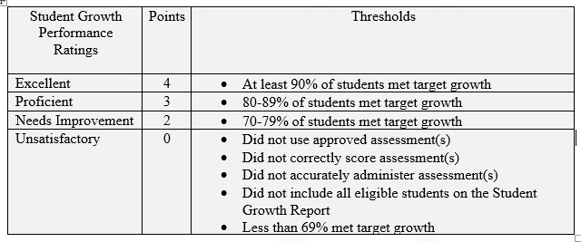
One Population Taking 2 Assessments
Cycle 2 2018-19 2019-20 | Assessment 1 |  |  | Assessment 2
 | Students Tested | Student Growth |  | Students Tested | Student Growth
Mid-Year>>> | 0 | 0 |  | 0 | 0
Year End>>> | 0 | 0 |  | 0 | 0
Mid-Year>>> | Growth Percent: | #DIV/0! |  | Growth Percent: | #DIV/0!
Year End>>> | Growth Percent: | #DIV/0! |  | Growth Percent: | #DIV/0!
Mid-Year Student Growth Percentage: |  |  | #DIV/0!
Year End Student Growth Percentage: |  |  | #DIV/0!

Two Populations; 2 Different Assessments
Cycle 2 2018-19 2019-20 | Assessment 1 |  |  | Assessment 2
 | Students Tested | Student Growth |  | Students Tested | Student Growth
Mid-Year>>> | 0 | 0 |  | 0 | 0
Year End>>> | 0 | 0 |  | 0 | 0
Mid-Year>>> | Growth Percent: | #DIV/0! |  | Growth Percent: | #DIV/0!
Year End>>> | Growth Percent: | #DIV/0! |  | Growth Percent: | #DIV/0!
Mid-Year Student Growth Percentage: |  |  | #DIV/0!
Year End Student Growth Percentage: |  |  | #DIV/0!

